Array Lookup
Course Lookup Kiosk |  | Application | Level | Length (Hrs) | Price
 |  | Excel | Introduction | 2.00 | $125.00
How can we lookup with two inputs? |  | Excel | Intermediate | 4.00 | $250.00
1. Combine INPUT names using "&" |  | Excel | Advanced | 6.00 | $350.00
2. Combine COLUMN names using "&" |  | Word | Introduction | 2.00 | $100.00
 |  | Word | Intermediate | 4.00 | $200.00
 |  | Word | Advanced | 6.00 | $300.00
Xlookup |  | Outlook | Introduction | 2.00 | $100.00
Input Application Name | Excel | Outlook | Advanced | 4.00 | $200.00
Input Application Level | intermediate | Power Query | Intermediate | 4.00 | $400.00
Output Price | $250 | Power Query | Advanced | 6.00 | $600.00
 |  | Power BI | Intermediate | 4.00 | $450.00
 |  | Power BI | Advanced | 6.00 | $650.00
 |  | Power Pivot | Intermediate | 4.00 | $500.00
 |  | Power Pivot | Advanced | 6.00 | $700.00

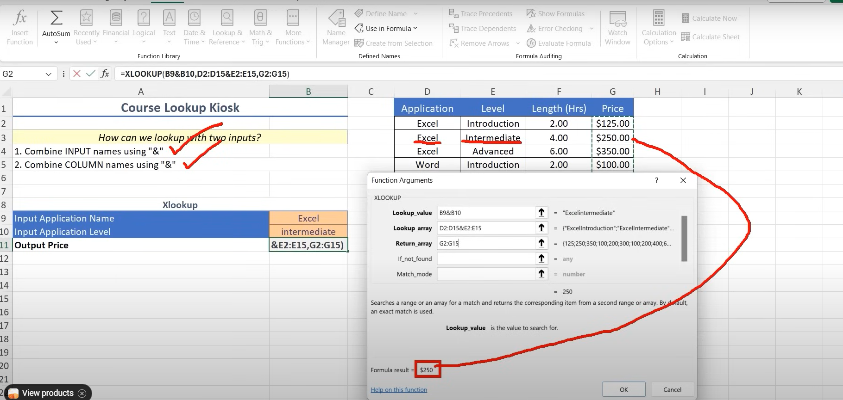

=INDEX(D2:G15,MATCH(B12&B13,D2:D15&E2:E15),4)

Array Functions
Array Functions
 | UNIQUE() | SORT() | SORT + UNIQUE | RANDARRAY()
Store Name | Create a separate unique list | Sort the unique list | Create a separate list and sort | Create a random array
Whole Foods | Whole Foods | Food 4 Less | Food 4 Less | 204.92472243 | 181.34096513 | 102.40839017
Safeway | Safeway | Raley's | Raley's | 290.93945717 | 292.94838015 | 197.11376815
Safeway | Smart & Final | Safeway | Safeway | 85.321398386 | 136.0260682 | 104.19628888
Safeway | Save Mart | Save Mart | Save Mart | 273.16888321 | 235.95226392 | 109.45626685
Whole Foods | Food 4 Less | Smart & Final | Smart & Final | 119.0386461 | 74.031648527 | 166.10400555
Smart & Final | Raley's | Stater Bros | Stater Bros
Save Mart | Vallarta | Vallarta | Vallarta
Food 4 Less | Stater Bros | Whole Foods | Whole Foods
Safeway
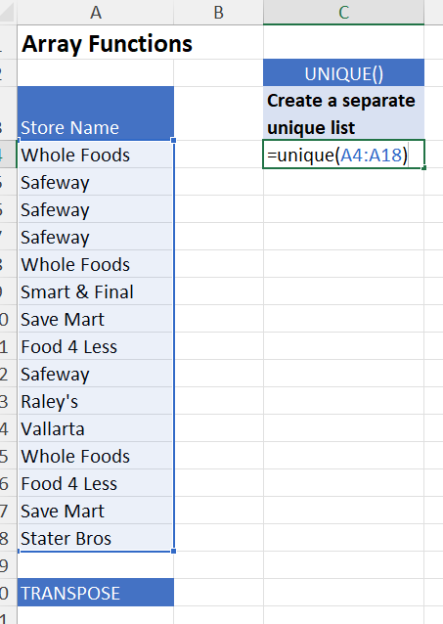
Raley's
Vallarta
Whole Foods
Food 4 Less
Save Mart
Stater Bros

TRANSPOSE

Conditional Formatting
Pear Wine Distribution

Trans# | Rep | State | Month | Type | Group | Part | Sales | Margin | Quantity | Lookup Sales
7 | Kym Tolley | SA | Jan-14 | White | Riesling | Grosset Polish Hill | $130.50 | $57.42 | 9 | 150
9 | Geg Clayfield | SA | Jan-14 | White | Semillon | Tyrrel's Vat 1 | $282.00 | $152.28 | 12
6 | Keith Tulloch | NSW | Jan-14 | White | Riesling | Heggies Riesling | $185.40 | $100.12 | 12
A4:J308
=$H4>=150
7 | Keith Tulloch | NSW | Jan-14 | Red | Shiraz | Mount Hurtle Shiraz | $138.00 | $55.20 | 12 | Highlight entire row
1 | Roland Wahlquist | Vic | Jan-14 | Red | Merlot | Cassegrain Merlot | $54.00 | $25.92 | 4 | Sales >=150
1 | Keith Tulloch | NSW | Jan-14 | White | Riesling | Frankand Estate Riesling | $145.00 | $71.05 | 10
A4:J308
$E4=$L$11
1 | Huon Hooke | NSW | Jan-14 | White | Riesling | Houghton Rhine Riesilng | $104.40 | $40.72 | 9 | Highlight by Wine Color
1 | Peter Douglas | SA | Jan-14 | White | Riesling | Frankand Estate Riesling | $145.00 | $78.30 | 10 | White
1 | Geg Clayfield | SA | Jan-14 | White | Riesling | Grosset Polish Hill | $130.50 | $58.73 | 9
7 | Peter Douglas | SA | Jan-14 | Red | Blend | Henshke Mt Edelstone | $165.00 | $77.55 | 5
2 | Peter Douglas | SA | Jan-14 | White | Riesling | Henschke Julius | $186.00 | $102.30 | 12 | Find Blank Cells
3 | Peter Douglas | SA | Jan-14 | Red | Shiraz |  | $130.50 | $69.17 | 9
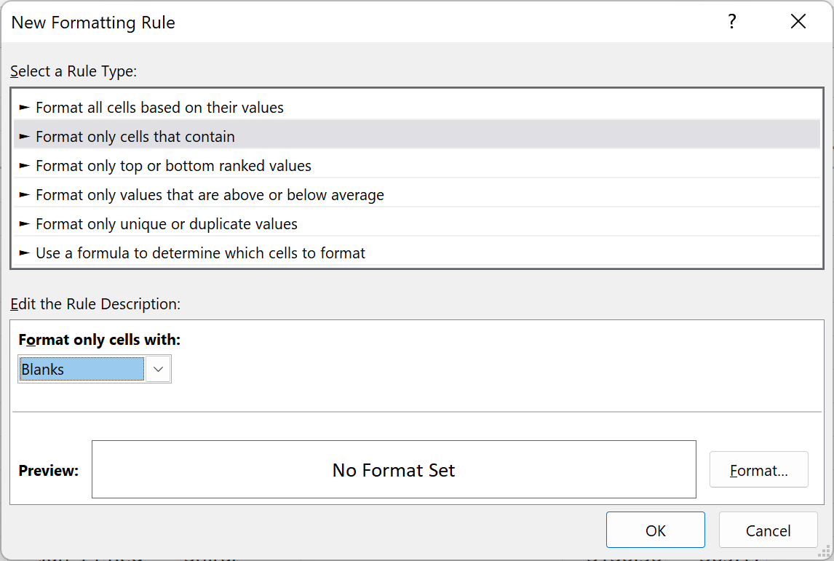
6 | Roland Wahlquist | Vic | Jan-14 | White | Semillon | Campbells Limited Release | $160.00 | $86.40 | 10
1 | Mark Shield | Vic | Jan-14 | White | Semillon | Campbells Limited Release | $160.00 | $83.20 | 10
9 | Mark Shield | Vic | Jan-14 | Red | Blend | Blue Pyrenees Estate | $282.00 | $109.98 | 12
1 | Ian McKenzie | Vic | Jan-14 | Red | Pinot Noir | Heggies Pinot Noir | $193.00 | $102.29 | 10
4 | Geg Clayfield | SA | Jan-14 | White | Semillon | Maxwell Semillon | $89.55 | $47.46 | 9
2 | Roland Wahlquist | Vic | Jan-14 | White | Riesling | Grant Burge Riesling | $72.00 | $39.60 | 6
7 | Huon Hooke | NSW | Jan-14 | Red | Blend | Blue Pyrenees Estate | $282.00 | $109.98 | 12
5 | Roland Wahlquist | Vic | Jan-14 | White | Riesling | Grant Burge Riesling | $72.00 | $33.12 | 6
1 | Dave Robertson | NSW | Jan-14 | Red | Merlot | Cassegrain Merlot | $54.00 | $20.52 | 4
1 | Peter Douglas | SA | Jan-14 | Red | Blend | Penfolds Bin 389 | $235.20 | $94.08 | 12
3 | Huon Hooke | NSW | Jan-14 | White | Riesling | Frankand Estate Riesling | $145.00 | $78.30 | 10
1 | Kym Tolley | SA | Mar-14 | White | Semillon | Maxwell Semillon | $89.55 | $34.92 | 9
9 | Roland Wahlquist | Vic | Jan-14 | White | Semillon | Tyrrel's Vat 1 | $282.00 | $138.18 | 12
1 | Mark Shield | Vic | Jan-14 | Red | Blend | Stonyfell Metala | $168.00 | $80.64 | 12
1 | Huon Hooke | NSW | Jan-14 | Red | Blend | Penfolds Bin 389 | $235.20 | $89.38 | 12
3 | Dave Robertson | NSW | Jan-14 | White | Riesling | Grant Burge Riesling | $72.00 | $36.00 | 6
6 | John Wade | WA | Jan-14 | White | Riesling | Henschke Julius | $186.00 | $79.98 | 12
1 | Keith Tulloch | NSW | Jan-14 | Red | Pinot Noir | Heggies Pinot Noir | $193.00 | $102.29 | 10
7 | John Wade | WA | Jan-14 | White | Riesling | Grant Burge Riesling | $72.00 | $26.64 | 6
5 | Mark Shield | Vic | Jan-14 | White | Riesling | Henschke Julius | $186.00 | $79.98 | 12
5 | Ian McKenzie | Vic | Feb-14 | Red | Pinot Noir | Mountadam Pinot Noir | $234.00 | $121.68 | 9
2 | Kym Tolley | SA | Apr-14 | White | Riesling | Delatite Riesling | $135.00 | $71.55 | 9
4 | Roland Wahlquist | Vic | Feb-14 | Red | Shiraz | Rymill Shiraz | $130.50 | $67.86 | 9
1 | Ian McKenzie | Vic | Feb-14 | Red | Blend | Penfolds Bin 389 | $235.20 | $122.30 | 12
4 | Keith Tulloch | NSW | Feb-14 | Red | Blend | Penfolds Bin 389 | $235.20 | $94.08 | 12
2 | Mark Shield | Vic | Feb-14 | Red | Merlot | Cassegrain Merlot | $54.00 | $22.68 | 4
7 | Peter Douglas | SA | Feb-14 | Red | Shiraz | Wynns Coonawarra Hermitage | $132.00 | $71.28 | 12
1 | Peter Douglas | SA | Feb-14 | Red | Pinot Noir | Smithbrook Pinot Noir | $120.00 | $49.20 | 6
1 | Peter Douglas | SA | Feb-14 | Red | Shiraz | Mount Hurtle Shiraz | $138.00 | $55.20 | 12
5 | Keith Tulloch | NSW | Feb-14 | White | Riesling | Grant Burge Riesling | $72.00 | $36.00 | 6
5 | Mark Shield | Vic | Feb-14 | Red | Merlot | Cassegrain Merlot | $54.00 | $20.52 | 4
9 | Dave Robertson | NSW | Feb-14 | White | Riesling | Heggies Riesling | $185.40 | $101.97 | 12
1 | Kym Tolley | SA | Jun-14 | White | Riesling | Grant Burge Riesling | $72.00 | $39.60 | 6
1 | Keith Tulloch | NSW | Feb-14 | White | Riesling | Heggies Riesling | $185.40 | $83.43 | 12
6 | Dave Robertson | NSW | Feb-14 | White | Semillon | Tyrrel's Vat 1 | $282.00 | $138.18 | 12
5 | Ian McKenzie | Vic | Feb-14 | White | Riesling | Delatite Riesling | $135.00 | $74.25 | 9
6 | Dave Robertson | NSW | Feb-14 | White | Riesling | Delatite Riesling | $135.00 | $55.35 | 9
4 | Kym Tolley | SA | Jun-14 | White | Riesling | Grosset Polish Hill | $130.50 | $48.29 | 9
1 | Peter Douglas | SA | Feb-14 | Red | Shiraz | Wynns Coonawarra Hermitage | $132.00 | $58.08 | 12
5 | Huon Hooke | NSW | Feb-14 | Red | Pinot Noir | Heggies Pinot Noir | $193.00 | $88.78 | 10
1 | Roland Wahlquist | Vic | Feb-14 | White | Riesling | Grant Burge Riesling | $72.00 | $39.60 | 6
2 | Mark Shield | Vic | Feb-14 | White | Riesling | Delatite Riesling | $135.00 | $74.25 | 9
7 | Huon Hooke | NSW | Mar-14 | Red | Shiraz | Rymill Shiraz | $130.50 | $65.25 | 9
3 | Roland Wahlquist | Vic | Mar-14 | White | Riesling | Heggies Riesling | $185.40 | $101.97 | 12
7 | Dave Robertson | NSW | Mar-14 | White | Riesling | Heggies Riesling | $185.40 | $101.97 | 12
1 | Geg Clayfield | SA | Mar-14 | Red | Pinot Noir | Mountadam Pinot Noir | $234.00 | $114.66 | 9
4 | Keith Tulloch | NSW | Mar-14 | Red | Merlot | Cassegrain Merlot | $54.00 | $25.92 | 4
1 | Ian McKenzie | Vic | Mar-14 | Red | Pinot Noir | Heggies Pinot Noir | $193.00 | $75.27 | 10
3 | Peter Douglas | SA | Mar-14 | Red | Blend | Henshke Mt Edelstone | $165.00 | $75.90 | 5
1 | Geg Clayfield | SA | Mar-14 | White | Riesling | Heggies Riesling | $185.40 | $100.12 | 12
3 | Mark Shield | Vic | Mar-14 | White | Riesling | Heggies Riesling | $185.40 | $100.12 | 12
1 | Peter Douglas | SA | Mar-14 | White | Riesling | Delatite Riesling | $135.00 | $74.25 | 9
6 | Roland Wahlquist | Vic | Mar-14 | Red | Merlot | Cassegrain Merlot | $54.00 | $24.30 | 4
2 | Peter Douglas | SA | Mar-14 | Red | Blend | Stonyfell Metala | $168.00 | $63.84 | 12
1 | Huon Hooke | NSW | Mar-14 | White | Riesling | Grosset Polish Hill | $130.50 | $57.42 | 9
9 | Geg Clayfield | SA | Mar-14 | Red | Pinot Noir | Heggies Pinot Noir | $193.00 | $88.78 | 10
6 | Geg Clayfield | SA | Mar-14 | Red | Merlot | Shottesbrooke Merlot | $90.00 | $46.80 | 5
5 | Dave Robertson | NSW | Mar-14 | Red | Merlot | Cassegrain Merlot | $54.00 | $25.92 | 4
4 | Keith Tulloch | NSW | Mar-14 | White | Semillon | Campbells Limited Release | $160.00 | $86.40 | 10
9 | Peter Douglas | SA | Mar-14 | Red | Pinot Noir | Heggies Pinot Noir | $193.00 | $73.34 | 10
9 | Kym Tolley | SA | Jul-14 | White | Riesling | Frankand Estate Riesling | $145.00 | $59.45 | 10
5 | John Wade | WA | Mar-14 | Red | Blend | Blue Pyrenees Estate | $282.00 | $143.82 | 12
2 | Huon Hooke | NSW | Mar-14 | Red | Merlot | Shottesbrooke Merlot | $90.00 | $36.00 | 5
7 | Keith Tulloch | NSW | Mar-14 | White | Riesling | Grosset Polish Hill | $130.50 | $48.29 | 9
6 | Kym Tolley | SA | Jul-14 | White | Riesling | Grant Burge Riesling | $72.00 | $32.40 | 6
1 | Roland Wahlquist | Vic | Mar-14 | Red | Blend | Blue Pyrenees Estate | $282.00 | $143.82 | 12
1 | Peter Douglas | SA | Mar-14 | Red | Merlot | Cassegrain Merlot | $54.00 | $21.06 | 4
3 | Kym Tolley | SA | Sep-14 | White | Riesling | Heggies Riesling | $185.40 | $101.97 | 12
1 | Ian McKenzie | Vic | Mar-14 | Red | Blend | Blue Pyrenees Estate | $282.00 | $143.82 | 12
2 | Ian McKenzie | Vic | Mar-14 | White | Riesling | Heggies Riesling | $185.40 | $100.12 | 12
7 | Geg Clayfield | SA | Mar-14 | White | Riesling | Delatite Riesling | $135.00 | $55.35 | 9
7 | Geg Clayfield | SA | Mar-14 | White | Riesling | Grant Burge Riesling | $72.00 | $39.60 | 6
1 | Kym Tolley | SA | Oct-14 | White | Riesling | Grosset Polish Hill | $130.50 | $50.90 | 9
2 | Roland Wahlquist | Vic | Apr-14 | Red | Blend | Penfolds Bin 389 | $235.20 | $89.38 | 12
3 | Geg Clayfield | SA | Apr-14 | Red | Pinot Noir | Heggies Pinot Noir | $193.00 | $75.27 | 10
6 | Peter Douglas | SA | Apr-14 | Red | Shiraz | Mount Hurtle Shiraz | $138.00 | $67.62 | 12
5 | Kym Tolley | SA | Nov-14 | White | Semillon | Tyrrel's Vat 1 | $282.00 | $152.28 | 12
3 | Peter Douglas | SA | Apr-14 | White | Riesling | Delatite Riesling | $135.00 | $64.80 | 9
5 | Mike Davies | WA | Apr-14 | White | Semillon | Campbells Limited Release | $160.00 | $83.20 | 10
5 | Dave Robertson | NSW | Apr-14 | White | Riesling | Delatite Riesling | $135.00 | $55.35 | 9
2 | Geg Clayfield | SA | Apr-14 | Red | Blend | Blue Pyrenees Estate | $282.00 | $129.72 | 12
1 | Dave Robertson | NSW | Apr-14 | Red | Pinot Noir | Mountadam Pinot Noir | $234.00 | $128.70 | 9
4 | Ian McKenzie | Vic | Apr-14 | Red | Shiraz | Rymill Shiraz | $130.50 | $67.86 | 9
6 | Peter Douglas | SA | Apr-14 | Red | Merlot | Cassegrain Merlot | $54.00 | $22.68 | 4
4 | Dave Robertson | NSW | Apr-14 | White | Riesling | Delatite Riesling | $135.00 | $63.45 | 9
4 | Geg Clayfield | SA | Apr-14 | White | Riesling | Grant Burge Riesling | $72.00 | $36.00 | 6
4 | Keith Tulloch | NSW | Apr-14 | White | Riesling | Grosset Polish Hill | $130.50 | $63.95 | 9
4 | Mike Davies | WA | Apr-14 | Red | Blend | Henshke Mt Edelstone | $165.00 | $66.00 | 5
1 | John Wade | WA | Apr-14 | Red | Blend | Stonyfell Metala | $168.00 | $80.64 | 12
1 | Keith Tulloch | NSW | Apr-14 | Red | Shiraz | Rymill Shiraz | $130.50 | $61.34 | 9
1 | Keith Tulloch | NSW | Apr-14 | Red | Shiraz | Wynns Coonawarra Hermitage | $132.00 | $71.28 | 12
9 | Bob Oatley | SA | Apr-14 | White | Riesling | Grosset Polish Hill | $130.50 | $50.90 | 9
9 | Ian McKenzie | Vic | Apr-14 | White | Riesling | Delatite Riesling | $135.00 | $55.35 | 9
3 | Roland Wahlquist | Vic | Apr-14 | Red | Shiraz | Wynns Coonawarra Hermitage | $132.00 | $58.08 | 12
1 | Keith Tulloch | NSW | Apr-14 | White | Riesling | Grant Burge Riesling | $72.00 | $36.00 | 6
5 | Kym Tolley | SA | Nov-14 | White | Riesling | Frankand Estate Riesling | $145.00 | $59.45 | 10
2 | Keith Tulloch | NSW | Apr-14 | White | Semillon | Maxwell Semillon | $89.55 | $47.46 | 9
2 | Geg Clayfield | SA | Apr-14 | White | Riesling | Frankand Estate Riesling | $145.00 | $78.30 | 10
3 | Mark Shield | Vic | Apr-14 | Red | Blend | Penfolds Bin 389 | $235.20 | $94.08 | 12
6 | Ian McKenzie | Vic | Apr-14 | White | Riesling | Grosset Polish Hill | $130.50 | $48.29 | 9
6 | Mark Shield | Vic | Apr-14 | Red | Shiraz | Wynns Coonawarra Hermitage | $132.00 | $58.08 | 12
3 | Dave Robertson | NSW | Apr-14 | Red | Merlot | Cassegrain Merlot | $54.00 | $22.68 | 4
4 | Roland Wahlquist | Vic | May-14 | White | Riesling | Grant Burge Riesling | $72.00 | $37.44 | 6
5 | Peter Douglas | SA | May-14 | Red | Shiraz | Mount Hurtle Shiraz | $138.00 | $55.20 | 12
7 | Huon Hooke | NSW | May-14 | White | Riesling | Grant Burge Riesling | $72.00 | $32.40 | 6
7 | Mark Shield | Vic | May-14 | Red | Blend | Blue Pyrenees Estate | $282.00 | $149.46 | 12
5 | Geg Clayfield | SA | May-14 | Red | Merlot | Cassegrain Merlot | $54.00 | $25.92 | 4
2 | Kym Tolley | SA | Nov-14 | White | Riesling | Grosset Polish Hill | $130.50 | $63.95 | 9
2 | Mike Davies | WA | May-14 | White | Riesling | Delatite Riesling | $135.00 | $74.25 | 9
3 | Keith Tulloch | NSW | May-14 | White | Riesling | Delatite Riesling | $135.00 | $64.80 | 9
4 | Peter Douglas | SA | May-14 | Red | Pinot Noir | Mountadam Pinot Noir | $234.00 | $114.66 | 9
2 | Geg Clayfield | SA | May-14 | Red | Shiraz | Wynns Coonawarra Hermitage | $132.00 | $58.08 | 12
9 | Ian McKenzie | Vic | May-14 | Red | Merlot | Cassegrain Merlot | $54.00 | $22.68 | 4
5 | Keith Tulloch | NSW | May-14 | Red | Merlot | Shottesbrooke Merlot | $90.00 | $46.80 | 5
5 | Geg Clayfield | SA | May-14 | Red | Shiraz | Rymill Shiraz | $130.50 | $61.34 | 9
9 | Keith Tulloch | NSW | May-14 | White | Riesling | Frankand Estate Riesling | $145.00 | $65.25 | 10
2 | Dave Robertson | NSW | May-14 | White | Riesling | Delatite Riesling | $135.00 | $63.45 | 9
4 | Mark Shield | Vic | May-14 | White | Riesling | Grant Burge Riesling | $72.00 | $36.00 | 6
3 | Huon Hooke | NSW | May-14 | Red | Blend | Blue Pyrenees Estate | $282.00 | $129.72 | 12
1 | Keith Tulloch | NSW | May-14 | Red | Blend | Stonyfell Metala | $168.00 | $78.96 | 12
1 | Dave Robertson | NSW | May-14 | Red | Merlot | Cassegrain Merlot | $54.00 | $22.68 | 4
1 | John Wade | WA | May-14 | Red | Pinot Noir | Smithbrook Pinot Noir | $120.00 | $64.80 | 6
4 | Roland Wahlquist | Vic | May-14 | White | Riesling | Heggies Riesling | $185.40 | $101.97 | 12
9 | Peter Douglas | SA | May-14 | Red | Shiraz | Mount Hurtle Shiraz | $138.00 | $55.20 | 12
9 | Keith Tulloch | NSW | May-14 | White | Semillon | Maxwell Semillon | $89.55 | $34.92 | 9
7 | Kym Tolley | SA | Jan-14 | Red | Merlot | Shottesbrooke Merlot | $90.00 | $46.80 | 5
3 | Geg Clayfield | SA | May-14 | Red | Blend | Stonyfell Metala | $168.00 | $78.96 | 12
6 | Huon Hooke | NSW | May-14 | Red | Shiraz | Wynns Coonawarra Hermitage | $132.00 | $58.08 | 12
1 | Ian McKenzie | Vic | May-14 | White | Riesling | Heggies Riesling | $185.40 | $83.43 | 12
9 | Peter Douglas | SA | May-14 | White | Riesling | Grosset Polish Hill | $130.50 | $54.81 | 9
2 | Bob Oatley | SA | May-14 | White | Riesling | Delatite Riesling | $135.00 | $64.80 | 9
9 | Roland Wahlquist | Vic | May-14 | White | Riesling | Delatite Riesling | $135.00 | $55.35 | 9
4 | Huon Hooke | NSW | Jun-14 | Red | Blend | Penfolds Bin 389 | $235.20 | $129.36 | 12
3 | Huon Hooke | NSW | Jun-14 | Red | Shiraz | Wynns Coonawarra Hermitage | $132.00 | $58.08 | 12
1 | Huon Hooke | NSW | Jun-14 | Red | Pinot Noir | Heggies Pinot Noir | $193.00 | $88.78 | 10
6 | Mark Shield | Vic | Jun-14 | Red | Blend | Henshke Mt Edelstone | $165.00 | $75.90 | 5
5 | Roland Wahlquist | Vic | Jun-14 | White | Semillon | Campbells Limited Release | $160.00 | $86.40 | 10
7 | Keith Tulloch | NSW | Jun-14 | Red | Merlot | Cassegrain Merlot | $54.00 | $24.30 | 4
6 | Kym Tolley | SA | Feb-14 | Red | Shiraz | Wynns Coonawarra Hermitage | $132.00 | $58.08 | 12
3 | Keith Tulloch | NSW | Jun-14 | White | Riesling | Frankand Estate Riesling | $145.00 | $71.05 | 10
2 | Geg Clayfield | SA | Jun-14 | Red | Pinot Noir | Smithbrook Pinot Noir | $120.00 | $49.20 | 6
9 | Roland Wahlquist | Vic | Jun-14 | Red | Shiraz | Rymill Shiraz | $130.50 | $69.17 | 9
4 | Geg Clayfield | SA | Jun-14 | Red | Blend | Penfolds Bin 389 | $235.20 | $122.30 | 12
4 | Ian McKenzie | Vic | Jun-14 | White | Riesling | Delatite Riesling | $135.00 | $63.45 | 9
7 | Peter Douglas | SA | Jun-14 | White | Riesling | Heggies Riesling | $185.40 | $83.43 | 12
1 | Kym Tolley | SA | Feb-14 | Red | Merlot | Cassegrain Merlot | $54.00 | $22.68 | 4
1 | Geg Clayfield | SA | Jun-14 | White | Riesling | Delatite Riesling | $135.00 | $71.55 | 9
6 | Peter Douglas | SA | Jun-14 | Red | Shiraz | Wynns Coonawarra Hermitage | $132.00 | $50.16 | 12
5 | Peter Douglas | SA | Jun-14 | White | Riesling | Grosset Polish Hill | $130.50 | $57.42 | 9
9 | Kym Tolley | SA | Feb-14 | Red | Shiraz | Wynns Coonawarra Hermitage | $132.00 | $71.28 | 12
2 | Dave Robertson | NSW | Jun-14 | Red | Pinot Noir | Mountadam Pinot Noir | $234.00 | $128.70 | 9
5 | Kym Tolley | SA | Mar-14 | Red | Shiraz | Rymill Shiraz | $130.50 | $69.17 | 9
4 | Peter Douglas | SA | Jun-14 | Red | Shiraz | Rymill Shiraz | $130.50 | $65.25 | 9
2 | Kym Tolley | SA | Mar-14 | Red | Shiraz | Mount Hurtle Shiraz | $138.00 | $67.62 | 12
6 | Roland Wahlquist | Vic | Jul-14 | White | Riesling | Grant Burge Riesling | $72.00 | $26.64 | 6
2 | Peter Douglas | SA | Jul-14 | Red | Shiraz | Rymill Shiraz | $130.50 | $61.34 | 9
2 | John Wade | WA | Jul-14 | Red | Blend | Stonyfell Metala | $168.00 | $77.28 | 12
2 | Kym Tolley | SA | Apr-14 | Red | Pinot Noir | Heggies Pinot Noir | $193.00 | $102.29 | 10
7 | Mark Shield | Vic | Jul-14 | White | Riesling | Frankand Estate Riesling | $145.00 | $71.05 | 10
7 | Dave Robertson | NSW | Jul-14 | White | Semillon | Tyrrel's Vat 1 | $282.00 | $138.18 | 12
1 | Ian McKenzie | Vic | Jul-14 | White | Riesling | Grant Burge Riesling | $72.00 | $33.12 | 6
4 | Mark Shield | Vic | Jul-14 | Red | Blend | Penfolds Bin 389 | $235.20 | $129.36 | 12
7 | Peter Douglas | SA | Jul-14 | Red | Merlot | Shottesbrooke Merlot | $90.00 | $45.00 | 5
9 | Keith Tulloch | NSW | Jul-14 | Red | Blend | Stonyfell Metala | $168.00 | $80.64 | 12
2 | Keith Tulloch | NSW | Jul-14 | White | Riesling | Grant Burge Riesling | $72.00 | $33.12 | 6
6 | Kym Tolley | SA | Apr-14 | Red | Merlot | Cassegrain Merlot | $54.00 | $24.30 | 4
1 | Kym Tolley | SA | May-14 | Red | Blend | Henshke Mt Edelstone | $165.00 | $77.55 | 5
2 | Keith Tulloch | NSW | Jul-14 | Red | Merlot | Cassegrain Merlot | $54.00 | $22.68 | 4
4 | Huon Hooke | NSW | Jul-14 | White | Riesling | Grosset Polish Hill | $130.50 | $54.81 | 9
9 | Huon Hooke | NSW | Jul-14 | Red | Blend | Stonyfell Metala | $168.00 | $63.84 | 12
5 | Kym Tolley | SA | May-14 | Red | Pinot Noir | Smithbrook Pinot Noir | $120.00 | $49.20 | 6
5 | Peter Douglas | SA | Jul-14 | Red | Pinot Noir | Mountadam Pinot Noir | $234.00 | $121.68 | 9
7 | Bob Oatley | SA | Jul-14 | Red | Pinot Noir | Heggies Pinot Noir | $193.00 | $88.78 | 10
9 | Kym Tolley | SA | Jun-14 | Red | Blend | Penfolds Bin 389 | $235.20 | $89.38 | 12
6 | Peter Douglas | SA | Jul-14 | White | Riesling | Houghton Rhine Riesilng | $104.40 | $48.02 | 9
3 | Ian McKenzie | Vic | Jul-14 | Red | Blend | Henshke Mt Edelstone | $165.00 | $75.90 | 5
6 | Keith Tulloch | NSW | Aug-14 | Red | Merlot | Shottesbrooke Merlot | $90.00 | $46.80 | 5
1 | Roland Wahlquist | Vic | Aug-14 | White | Riesling | Heggies Riesling | $185.40 | $100.12 | 12
5 | Peter Douglas | SA | Aug-14 | White | Semillon | Maxwell Semillon | $89.55 | $47.46 | 9
3 | Roland Wahlquist | Vic | Aug-14 | Red | Pinot Noir | Mountadam Pinot Noir | $234.00 | $128.70 | 9
5 | Geg Clayfield | SA | Aug-14 | Red | Pinot Noir | Mountadam Pinot Noir | $234.00 | $91.26 | 9
7 | Roland Wahlquist | Vic | Aug-14 | Red | Blend | Stonyfell Metala | $168.00 | $62.16 | 12
7 | Ian McKenzie | Vic | Aug-14 | Red | Blend | Henshke Mt Edelstone | $165.00 | $77.55 | 5
5 | Huon Hooke | NSW | Aug-14 | White | Riesling | Henschke Julius | $186.00 | $102.30 | 12
9 | Peter Douglas | SA | Aug-14 | Red | Blend | Stonyfell Metala | $168.00 | $78.96 | 12
1 | Dave Robertson | NSW | Aug-14 | Red | Pinot Noir | Smithbrook Pinot Noir | $120.00 | $48.00 | 6
7 | Ian McKenzie | Vic | Aug-14 | White | Riesling | Frankand Estate Riesling | $145.00 | $78.30 | 10
6 | Keith Tulloch | NSW | Aug-14 | Red | Shiraz | Mount Hurtle Shiraz | $138.00 | $67.62 | 12
4 | Keith Tulloch | NSW | Aug-14 | Red | Pinot Noir | Smithbrook Pinot Noir | $120.00 | $49.20 | 6
5 | Kym Tolley | SA | Jun-14 | Red | Blend | Henshke Mt Edelstone | $165.00 | $75.90 | 5
5 | Keith Tulloch | NSW | Aug-14 | Red | Blend | Penfolds Bin 389 | $235.20 | $122.30 | 12
1 | Mike Davies | WA | Aug-14 | Red | Shiraz | Rymill Shiraz | $130.50 | $69.17 | 9
2 | Keith Tulloch | NSW | Aug-14 | Red | Blend | Blue Pyrenees Estate | $282.00 | $149.46 | 12
6 | Huon Hooke | NSW | Aug-14 | Red | Blend | Henshke Mt Edelstone | $165.00 | $75.90 | 5
1 | Peter Douglas | SA | Sep-14 | White | Semillon | Campbells Limited Release | $160.00 | $86.40 | 10
3 | Kym Tolley | SA | Jul-14 | Red | Merlot | Cassegrain Merlot | $54.00 | $20.52 | 4
4 | Peter Douglas | SA | Sep-14 | White | Riesling | Delatite Riesling | $135.00 | $49.95 | 9
4 | Peter Douglas | SA | Sep-14 | White | Riesling | Frankand Estate Riesling | $145.00 | $65.25 | 10
4 | Roland Wahlquist | Vic | Sep-14 | Red | Blend | Henshke Mt Edelstone | $165.00 | $75.90 | 5
3 | Keith Tulloch | NSW | Sep-14 | Red | Merlot | Cassegrain Merlot | $54.00 | $21.06 | 4
5 | Dave Robertson | NSW | Sep-14 | Red | Pinot Noir | Mountadam Pinot Noir | $234.00 | $121.68 | 9
3 | Peter Douglas | SA | Sep-14 | Red | Pinot Noir | Mountadam Pinot Noir | $234.00 | $128.70 | 9
4 | Dave Robertson | NSW | Sep-14 | Red | Pinot Noir | Mountadam Pinot Noir | $234.00 | $121.68 | 9
1 | Keith Tulloch | NSW | Sep-14 | Red | Merlot | Cassegrain Merlot | $54.00 | $22.68 | 4
6 | Mark Shield | Vic | Sep-14 | White | Riesling | Henschke Julius | $186.00 | $79.98 | 12
9 | Mark Shield | Vic | Sep-14 | White | Riesling | Delatite Riesling | $135.00 | $63.45 | 9
1 | Geg Clayfield | SA | Sep-14 | Red | Merlot | Shottesbrooke Merlot | $90.00 | $46.80 | 5
1 | Bob Oatley | SA | Sep-14 | Red | Blend | Blue Pyrenees Estate | $282.00 | $129.72 | 12
2 | Kym Tolley | SA | Jul-14 | Red | Blend | Stonyfell Metala | $168.00 | $63.84 | 12
2 | Peter Douglas | SA | Sep-14 | Red | Pinot Noir | Heggies Pinot Noir | $193.00 | $96.50 | 10
9 | Geg Clayfield | SA | Sep-14 | White | Riesling | Frankand Estate Riesling | $145.00 | $78.30 | 10
7 | Dave Robertson | NSW | Sep-14 | Red | Merlot | Cassegrain Merlot | $54.00 | $20.52 | 4
3 | Bob Oatley | SA | Sep-14 | Red | Pinot Noir | Heggies Pinot Noir | $193.00 | $96.50 | 10
1 | Geg Clayfield | SA | Sep-14 | Red | Merlot | Shottesbrooke Merlot | $90.00 | $36.00 | 5
6 | Keith Tulloch | NSW | Sep-14 | White | Riesling | Delatite Riesling | $135.00 | $49.95 | 9
3 | Geg Clayfield | SA | Oct-14 | White | Riesling | Delatite Riesling | $135.00 | $63.45 | 9
2 | Keith Tulloch | NSW | Oct-14 | White | Riesling | Delatite Riesling | $135.00 | $55.35 | 9
4 | Kym Tolley | SA | Jul-14 | Red | Shiraz | Mount Hurtle Shiraz | $138.00 | $53.82 | 12
7 | Roland Wahlquist | Vic | Oct-14 | White | Semillon | Campbells Limited Release | $160.00 | $83.20 | 10
3 | Kym Tolley | SA | Jul-14 | Red | Shiraz | Wynns Coonawarra Hermitage | $132.00 | $52.80 | 12
5 | Roland Wahlquist | Vic | Oct-14 | Red | Blend | Stonyfell Metala | $168.00 | $77.28 | 12
3 | Ian McKenzie | Vic | Oct-14 | Red | Pinot Noir | Smithbrook Pinot Noir | $120.00 | $64.80 | 6
3 | Mike Davies | WA | Oct-14 | Red | Blend | Henshke Mt Edelstone | $165.00 | $77.55 | 5
5 | Keith Tulloch | NSW | Oct-14 | White | Riesling | Heggies Riesling | $185.40 | $100.12 | 12
2 | Peter Douglas | SA | Oct-14 | White | Semillon | Maxwell Semillon | $89.55 | $34.92 | 9
7 | Roland Wahlquist | Vic | Oct-14 | White | Riesling | Frankand Estate Riesling | $145.00 | $71.05 | 10
7 | Mark Shield | Vic | Oct-14 | Red | Shiraz | Wynns Coonawarra Hermitage | $132.00 | $50.16 | 12
6 | Dave Robertson | NSW | Oct-14 | Red | Merlot | Cassegrain Merlot | $54.00 | $25.92 | 4
9 | Kym Tolley | SA | Aug-14 | Red | Pinot Noir | Smithbrook Pinot Noir | $120.00 | $49.20 | 6
1 | Dave Robertson | NSW | Oct-14 | White | Riesling | Delatite Riesling | $135.00 | $63.45 | 9
1 | Kym Tolley | SA | Sep-14 | Red | Shiraz | Mount Hurtle Shiraz | $138.00 | $55.20 | 12
6 | Peter Douglas | SA | Oct-14 | White | Riesling | Frankand Estate Riesling | $145.00 | $71.05 | 10
7 | Peter Douglas | SA | Oct-14 | White | Riesling | Grosset Polish Hill | $130.50 | $63.95 | 9
9 | Huon Hooke | NSW | Oct-14 | Red | Shiraz | Wynns Coonawarra Hermitage | $132.00 | $50.16 | 12
1 | Geg Clayfield | SA | Oct-14 | Red | Shiraz | Wynns Coonawarra Hermitage | $132.00 | $58.08 | 12
1 | Keith Tulloch | NSW | Oct-14 | Red | Merlot | Cassegrain Merlot | $54.00 | $24.30 | 4
1 | Peter Douglas | SA | Oct-14 | White | Riesling | Houghton Rhine Riesilng | $104.40 | $40.72 | 9
3 | Roland Wahlquist | Vic | Oct-14 | Red | Blend | Henshke Mt Edelstone | $165.00 | $66.00 | 5
5 | Geg Clayfield | SA | Oct-14 | White | Riesling | Heggies Riesling | $185.40 | $100.12 | 12
2 | Ian McKenzie | Vic | Oct-14 | Red | Merlot | Cassegrain Merlot | $54.00 | $25.92 | 4
5 | Keith Tulloch | NSW | Oct-14 | Red | Shiraz | Mount Hurtle Shiraz | $138.00 | $55.20 | 12
1 | Huon Hooke | NSW | Oct-14 | White | Riesling | Frankand Estate Riesling | $145.00 | $78.30 | 10
7 | Roland Wahlquist | Vic | Oct-14 | Red | Pinot Noir | Smithbrook Pinot Noir | $120.00 | $48.00 | 6
6 | Geg Clayfield | SA | Oct-14 | White | Riesling | Henschke Julius | $186.00 | $102.30 | 12
1 | Keith Tulloch | NSW | Oct-14 | White | Riesling | Heggies Riesling | $185.40 | $101.97 | 12
4 | Ian McKenzie | Vic | Nov-14 | Red | Merlot | Shottesbrooke Merlot | $90.00 | $46.80 | 5
9 | Keith Tulloch | NSW | Nov-14 | Red | Merlot | Cassegrain Merlot | $54.00 | $20.52 | 4
3 | Geg Clayfield | SA | Nov-14 | White | Semillon | Tyrrel's Vat 1 | $282.00 | $138.18 | 12
9 | Roland Wahlquist | Vic | Nov-14 | Red | Blend | Henshke Mt Edelstone | $165.00 | $75.90 | 5
7 | Kym Tolley | SA | Oct-14 | Red | Shiraz | Mount Hurtle Shiraz | $138.00 | $53.82 | 12
7 | Keith Tulloch | NSW | Nov-14 | Red | Pinot Noir | Heggies Pinot Noir | $193.00 | $96.50 | 10
5 | Peter Douglas | SA | Nov-14 | Red | Blend | Stonyfell Metala | $168.00 | $80.64 | 12
1 | Mike Davies | WA | Nov-14 | Red | Shiraz | Rymill Shiraz | $130.50 | $67.86 | 9
2 | Roland Wahlquist | Vic | Nov-14 | White | Semillon | Tyrrel's Vat 1 | $282.00 | $138.18 | 12
9 | Geg Clayfield | SA | Nov-14 | Red | Blend | Blue Pyrenees Estate | $282.00 | $109.98 | 12
4 | Kym Tolley | SA | Oct-14 | Red | Blend | Stonyfell Metala | $168.00 | $80.64 | 12
9 | Kym Tolley | SA | Oct-14 | Red | Pinot Noir | Heggies Pinot Noir | $193.00 | $88.78 | 10
7 | Geg Clayfield | SA | Nov-14 | Red | Merlot | Shottesbrooke Merlot | $90.00 | $45.00 | 5
4 | Bob Oatley | SA | Nov-14 | White | Riesling | Grosset Polish Hill | $130.50 | $54.81 | 9
9 | Peter Douglas | SA | Nov-14 | White | Riesling | Frankand Estate Riesling | $145.00 | $65.25 | 10
4 | Kym Tolley | SA | Nov-14 | Red | Pinot Noir | Smithbrook Pinot Noir | $120.00 | $48.00 | 6
3 | Keith Tulloch | NSW | Nov-14 | Red | Pinot Noir | Heggies Pinot Noir | $193.00 | $75.27 | 10
6 | Peter Douglas | SA | Nov-14 | Red | Blend | Blue Pyrenees Estate | $282.00 | $149.46 | 12
3 | Kym Tolley | SA | Nov-14 | Red | Blend | Henshke Mt Edelstone | $165.00 | $75.90 | 5
4 | Huon Hooke | NSW | Nov-14 | Red | Shiraz | Wynns Coonawarra Hermitage | $132.00 | $52.80 | 12
6 | Keith Tulloch | NSW | Nov-14 | Red | Pinot Noir | Heggies Pinot Noir | $193.00 | $73.34 | 10
4 | Geg Clayfield | SA | Nov-14 | Red | Pinot Noir | Mountadam Pinot Noir | $234.00 | $91.26 | 9
3 | Peter Douglas | SA | Nov-14 | White | Riesling | Grant Burge Riesling | $72.00 | $37.44 | 6
1 | Peter Douglas | SA | Nov-14 | White | Semillon | Campbells Limited Release | $160.00 | $83.20 | 10
7 | Ian McKenzie | Vic | Nov-14 | Red | Pinot Noir | Heggies Pinot Noir | $193.00 | $88.78 | 10
1 | Mark Shield | Vic | Dec-14 | Red | Pinot Noir | Mountadam Pinot Noir | $234.00 | $121.68 | 9
1 | Mark Shield | Vic | Dec-14 | Red | Blend | Stonyfell Metala | $168.00 | $62.16 | 12
9 | Huon Hooke | NSW | Dec-14 | White | Riesling | Grosset Polish Hill | $130.50 | $50.90 | 9
9 | Keith Tulloch | NSW | Dec-14 | Red | Pinot Noir | Mountadam Pinot Noir | $234.00 | $121.68 | 9
6 | Huon Hooke | NSW | Dec-14 | White | Riesling | Grosset Polish Hill | $130.50 | $58.73 | 9
3 | Ian McKenzie | Vic | Dec-14 | White | Riesling | Grant Burge Riesling | $72.00 | $37.44 | 6
9 | Mike Davies | WA | Dec-14 | White | Riesling | Grant Burge Riesling | $72.00 | $37.44 | 6
1 | Peter Douglas | SA | Dec-14 | White | Riesling | Grant Burge Riesling | $72.00 | $33.12 | 6
6 | Geg Clayfield | SA | Dec-14 | White | Riesling | Heggies Riesling | $185.40 | $100.12 | 12
9 | John Wade | WA | Dec-14 | Red | Blend | Stonyfell Metala | $168.00 | $62.16 | 12
6 | Bob Oatley | SA | Dec-14 | Red | Pinot Noir | Heggies Pinot Noir | $193.00 | $73.34 | 10
3 | John Wade | WA | Dec-14 | White | Riesling | Frankand Estate Riesling | $145.00 | $71.05 | 10
4 | Peter Douglas | SA | Dec-14 | Red | Blend | Penfolds Bin 389 | $235.20 | $129.36 | 12
6 | Ian McKenzie | Vic | Dec-14 | Red | Pinot Noir | Heggies Pinot Noir | $193.00 | $88.78 | 10
9 | Dave Robertson | NSW | Dec-14 | Red | Pinot Noir | Smithbrook Pinot Noir | $120.00 | $48.00 | 6
6 | Ian McKenzie | Vic | Dec-14 | Red | Blend | Penfolds Bin 389 | $235.20 | $89.38 | 12
2 | Ian McKenzie | Vic | Dec-14 | Red | Blend | Stonyfell Metala | $168.00 | $77.28 | 12
1 | Mark Shield | Vic | Dec-14 | Red | Pinot Noir | Smithbrook Pinot Noir | $120.00 | $64.80 | 6
2 | Huon Hooke | NSW | Dec-14 | White | Riesling | Houghton Rhine Riesilng | $104.40 | $48.02 | 9
1 | Dave Robertson | NSW | Dec-14 | White | Semillon | Tyrrel's Vat 1 | $282.00 | $138.18 | 12
7 | Keith Tulloch | NSW | Dec-14 | White | Riesling | Heggies Riesling | $185.40 | $83.43 | 12
1 | Mark Shield | Vic | Dec-14 | White | Riesling | Houghton Rhine Riesilng | $104.40 | $48.02 | 9
5 | Ian McKenzie | Vic | Dec-14 | Red | Blend | Henshke Mt Edelstone | $165.00 | $66.00 | 5

Table Based Charts
Q1 Sales

SalesRep | January | February | March
A.Jones | $633.00 | $1,245.00 | $1,045.00
O.Winfrey | $1,334.00 | $1,464.00 | $850.00
A.Rodgers | $698.00 | $826.00 | $1,109.00
E.Musk | $1,284.00 | $670.00 | $1,284.00
J.Hudson | $1,285.00 | $1,415.00 | $826.00

Combo Charts
Month | Units Sold | Sale | Profit
JAN | 130 | $2,470.00 | $500.00
FEB | 45 | $855.00 | $749.00
MAR | 55 | $1,045.00 | $324.00
APR | 90 | $1,710.00 | $568.00
MAY | 140 | $2,660.00 | $645.00
JUN | 79 | $1,501.00 | $458.00
JUL | 90 | $1,710.00 | $985.00
AUG | 220 | $4,180.00 | $365.00
SEP | 150 | $2,850.00 | $842.00

Our Chart will look unbalanced because we have a high variance in numbers.

Macro Intro
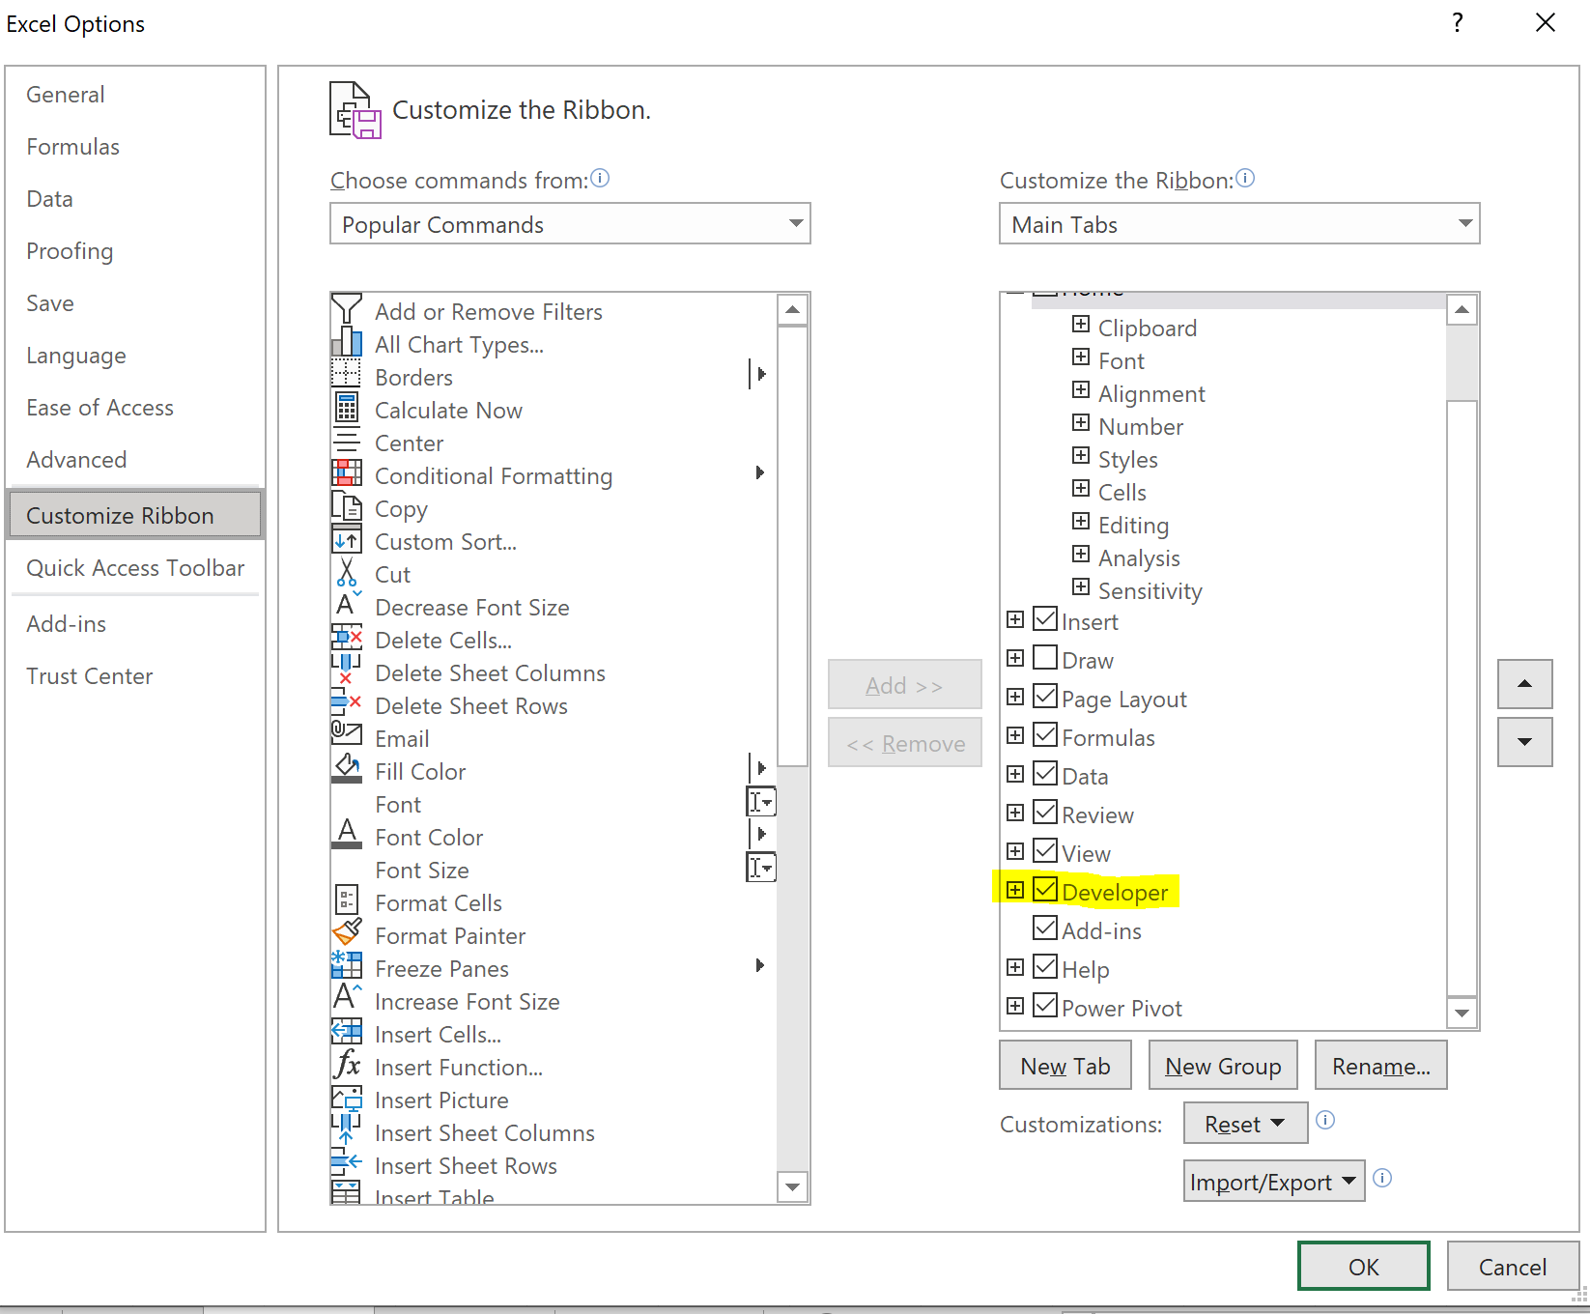
What is a macro?
A tool that Excel uses to record user actions/commands.

When is it useful?
When you want to quickly repeat a step or series of steps.
For example, to clean up a messy worksheet that you receive every day.

Prerequisite:
Turn on the Developer tab by customizing the ribbon.

Macro Setup
 | Applying cell style 'Accent 1' runs several commands
Lastname
2024-09-28 | Name

Create a macro that places your signature in cell A1.
(Absolute reference)
Create macro that places your signature based on your selected cell.
(Relative reference)

VBA
VBA in a nutshell
 | You do not have to be well versed in the VBA language.
 | A good rule of thumb is this:
 |  | If something can be created with a macro, use a macro.
 | VBA usually becomes necessary when you want to perform commands based on logical conditions.
 |  | These logical conditions require conditional statements in the form of loops and sequences.

 | VBA is an Object-Oriented program
 |  | An object must be selected.
 |  | Once an Object is selected, you can apply various methods and assign various properties.

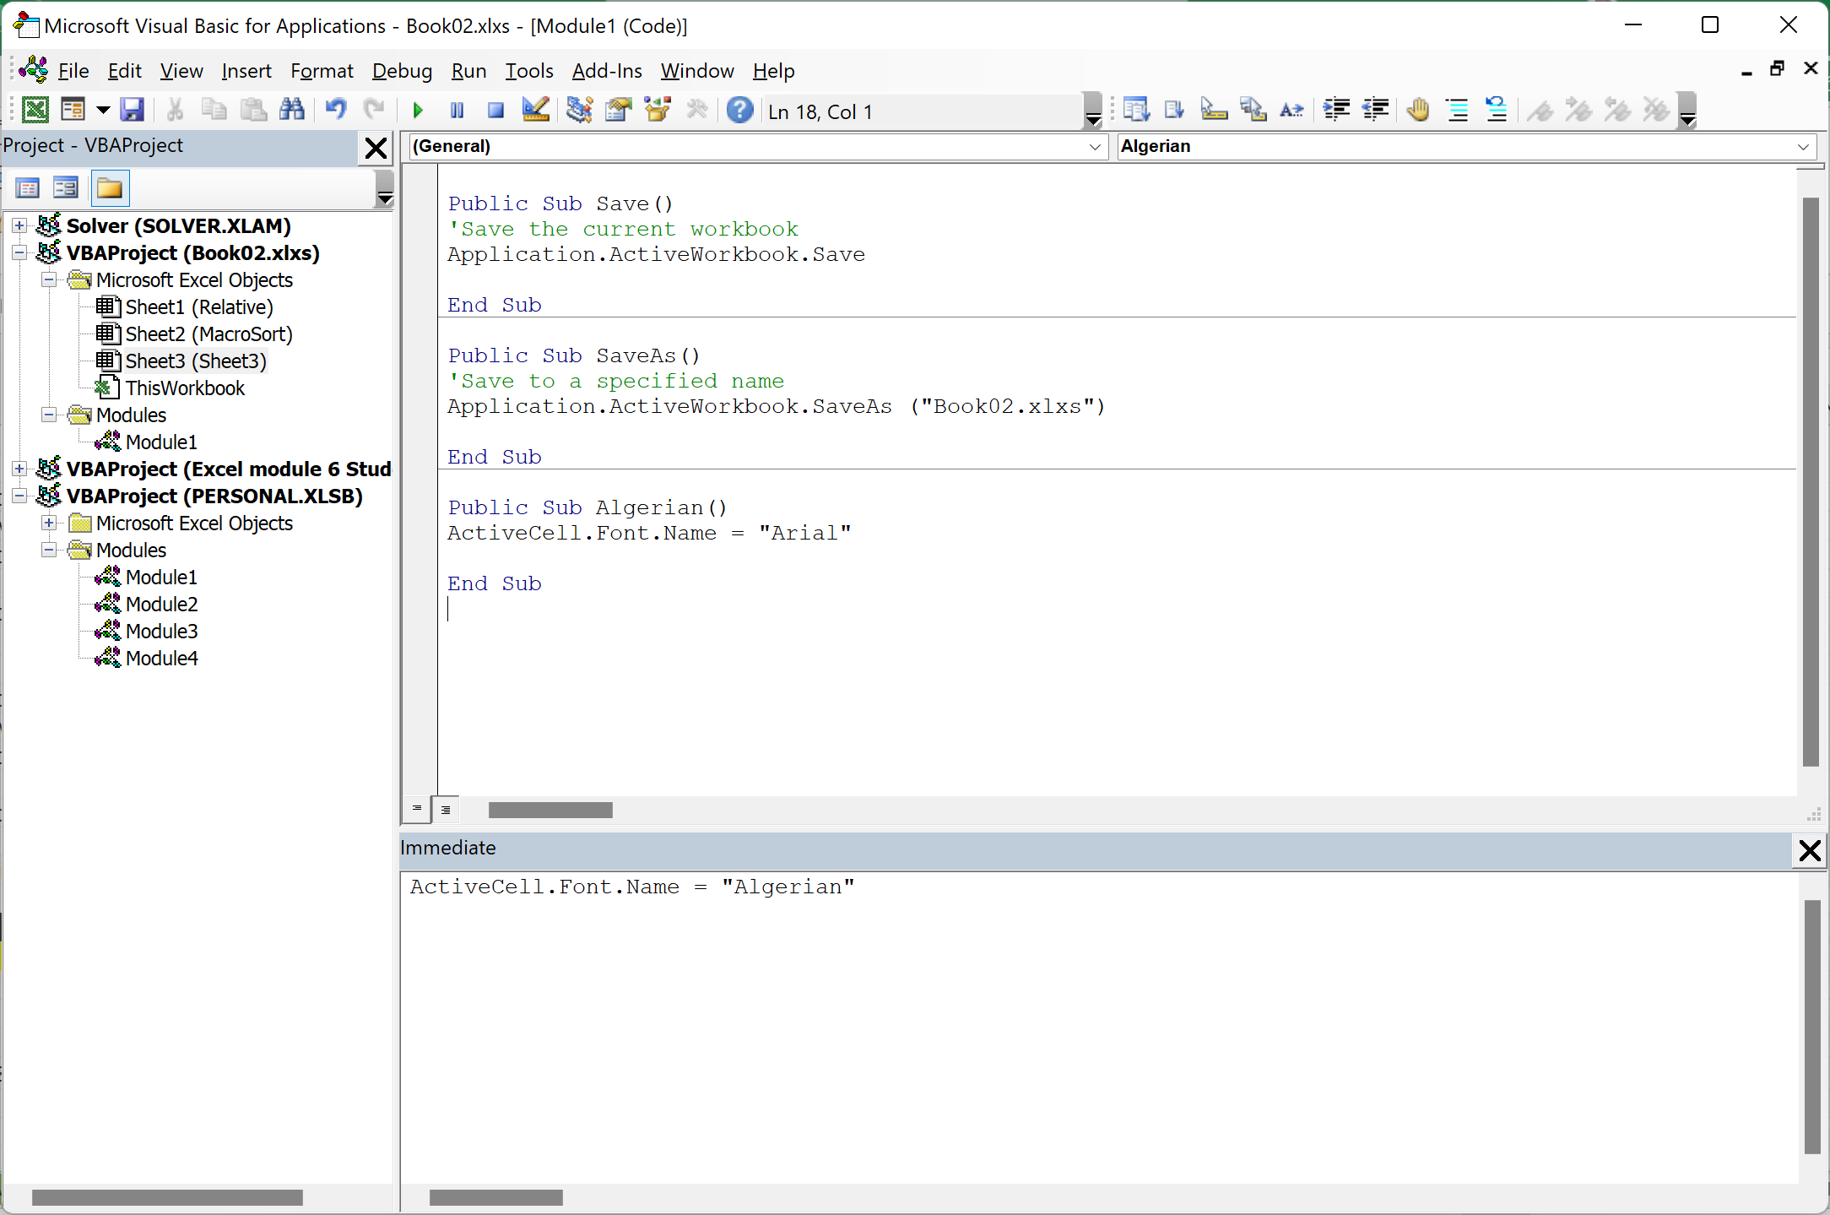

 | Try these codes

 | Public Sub Save()
 | 'Save the current workbook
 | Application.ActiveWorkbook.Save

 | End Sub

 | Public Sub SaveAs()
 | 'Save to a specified name
 | Application.ActiveWorkbook.SaveAs ("Book02.xlxs")

 | End Sub

 | ActiveCell.Font.Name = "Algerian"

